Title Page
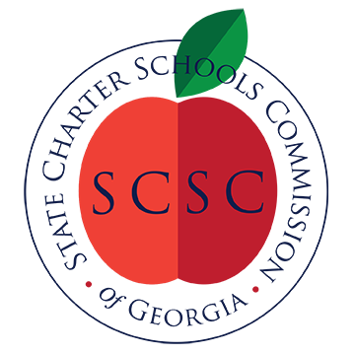

SCSC Academic Accountability Report
2022-2023

April 2024
State Charter Schools Comission of Georgia

Introduction
Assessing State Charter School Performance The State Charter Schools Commission of Georgia (SCSC) a tool called the Comprehensive Performance Framework (CPF) to set forth clear, quantifiable, rigorous, and attainable goals in the areas of academic achievement, financial viability, and organizational compliance. A school’s performance on the CPF informs SCSC decision making over the course of the charter term and at renewal. Academic Section of the Comprehensive Performance Framework The academic portion of the CPF assesses a variety of indicators to measure a school’s performance in alignment with the SCSC’s mission. The academic portion of the CPF seeks to answer the following fundamental question: Is the educational program offering students a better educational opportunity than they would otherwise receive in traditional district schools? To answer this question, the SCSC uses data from the College and Career Ready Performance Index (CCRPI, Georgia’s state accountability tool) and predictive indicators that control for a school’s unique and/or challenging student population called the Value-Added Measure. More information regarding CCRPI can be found on the Georgia Department of Education's Accountability website, and information on the Value-Added Measure is posted on the SCSC Academic Accountability webpage, both links are provided at the bottom of the page. 2022-2023 Academic Measures 1. GaDOE CCRPI Content Mastery Scores 2. GaDOE CCRPI Progress Scores 3. SCSC CCRPI Grade Band Score 4. SCSC Value-Added Impact Scores (VAM) In the 2022-2023 school year, a state charter school may satisfy academic requirements and be considered Meeting SCSC academic standards if it: - Outperforms the schools or districts from which it enrolls students (school or district comparison score) on any one or combination of measures 1-4 in all grades bands served OR - Outperforms the schools or districts from which it enrolls students (school or district comparison score

“The mission of the SCSC is to improve public education throughout the state by authorizing high-quality charter schools that provide students with better educational opportunities than they would otherwise be afforded in traditional schools.”

Georgia Dept. of Ed. CCRPI webpage:
https://www.gadoe.org/CCRPI/Pages/default.aspx

SCSC Academic Accountability webpage:
https://scsc.georgia.gov/school-accountability/scsc-comprehensive-performance-framework/academic-accountability

